Switching Combinations
 |  |  |  |  |  | Total Cases
 |  |  |  |  |  | PA can bewith PB, OB, or NB - 3 combination
 |  |  |  |  |  | 1 case 3 choice , 3 case 9 combination
Leg 1 Phase A |  |  |  |  |  | PC can be with those 9 combination
 | S1 | S2 | S3 | S4 | Vout | three c leg choices with 9 is total 27 combination | 3 combination | voltge vector | remaining 24 choices | voltge vector
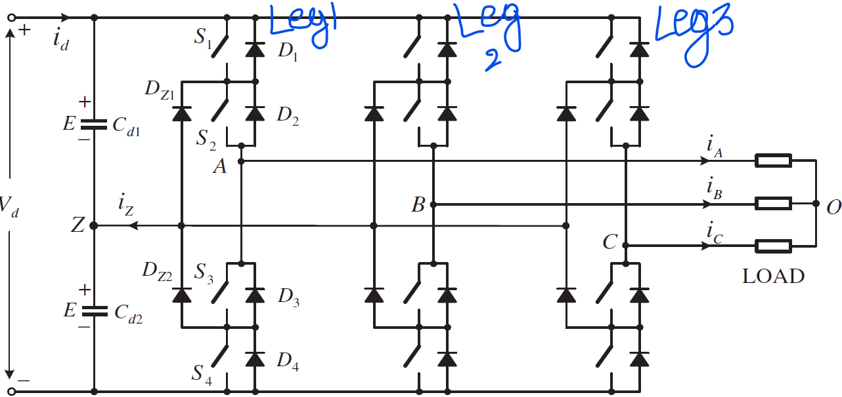
PA | 1 | 1 | 0 | 0 | Vd/2 |  | PA,PB,PC | 0 voltage vector | 12 | small vector
OA | 0 | 1 | 1 | 0 | 0 |  | OA,OB,OC |  | 6 | medium vector
NA | 0 | 0 | 1 | 1 | -Vd/2 |  | NA,NB,NC |  | 6 | large vector

Leg 2 Phase B
 | S1 | S2 | S3 | S4 | Vout
PB | 1 | 1 | 0 | 0 | Vd/2
OB | 0 | 1 | 1 | 0 | 0
NB | 0 | 0 | 1 | 1 | -Vd/2

Leg 3 Phase C
 | S1 | S2 | S3 | S4 | Vout
PC | 1 | 1 | 0 | 0 | Vd/2
OC | 0 | 1 | 1 | 0 | 0
NC | 0 | 0 | 1 | 1 | -Vd/2

12 small vectors
VAO= Vdc/3, VOZ= -VBO=-VCO= Vdc/6
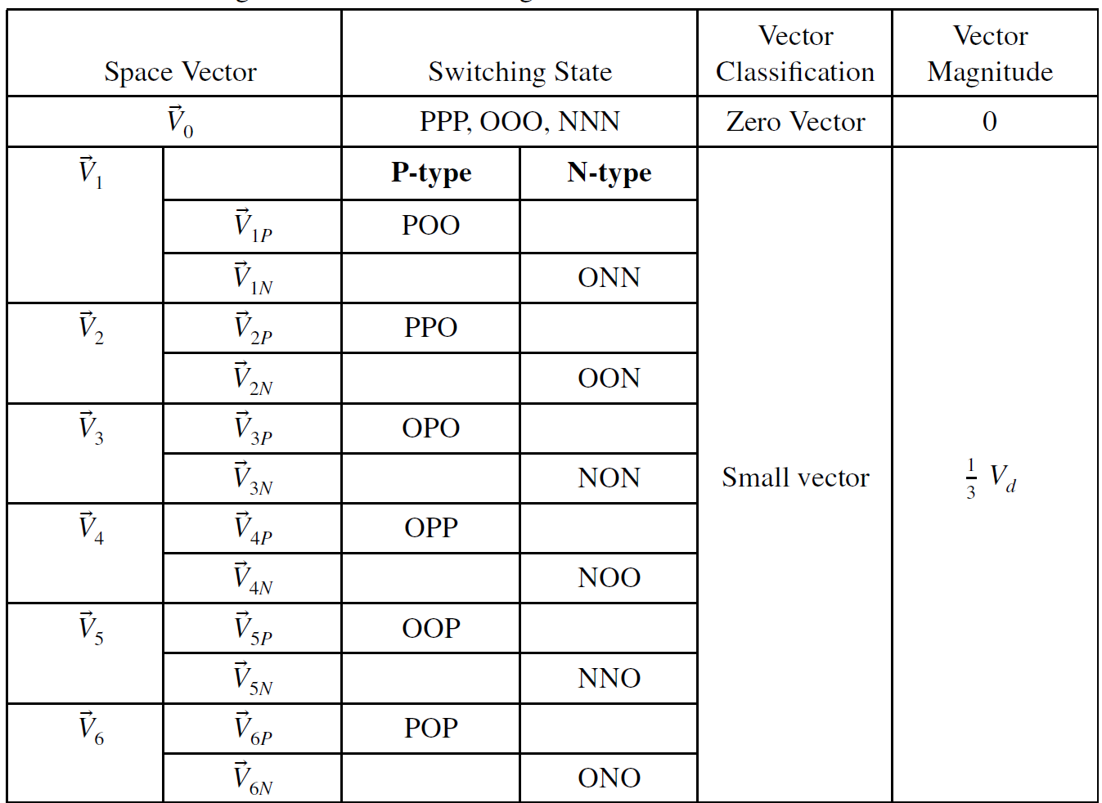
A
POO combination
V1
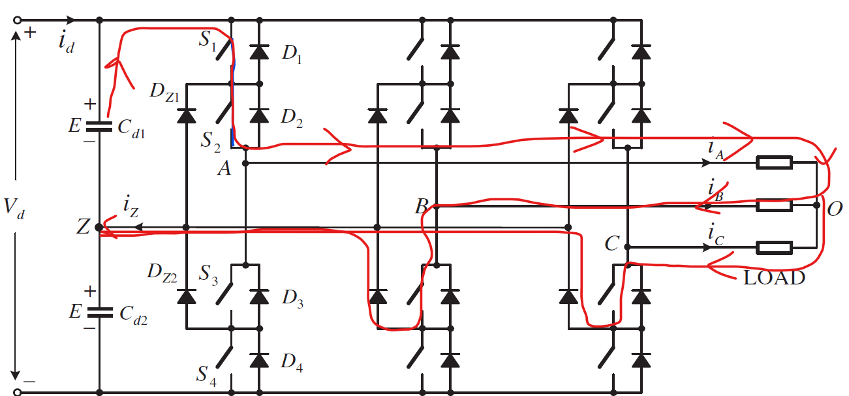
Vdc/2
Ra

B
Rb
O

C
Rc
$$V_{α}+jV_{β}= \frac{2}{3}(Vao+Vbo e^{j\frac{2π}{3}}+Vco e^{j\frac{4π}{3}t}$$
Vdc/2

VAO= Vdc/3, VOZ= Vdc/6
ONN combination
V1
A

Vdc/2
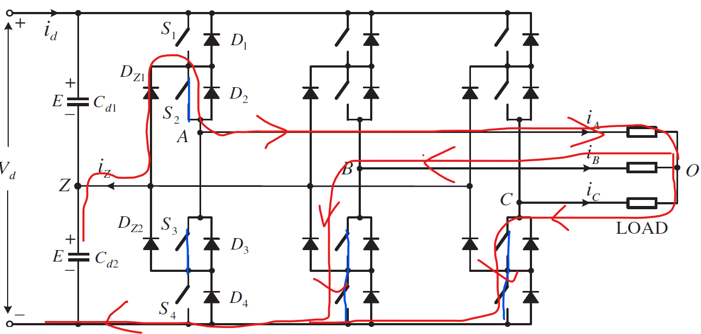

Ra

Vdc/2
Rb
O

Rc

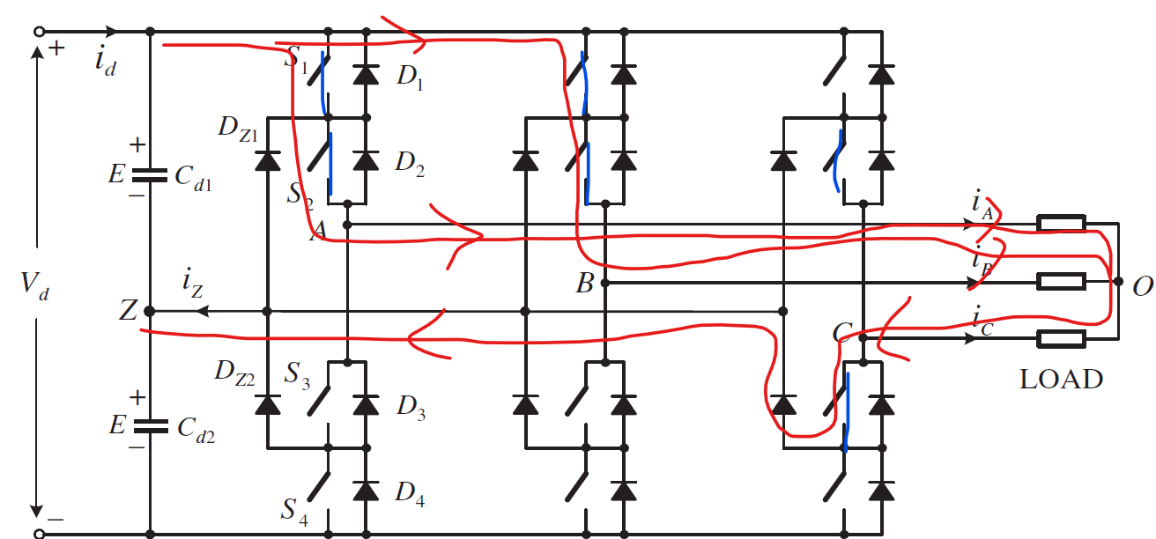
VAO= Vdc/6, VOZ= Vdc/3
A
B
PPO combination
V2

Vdc/2
Rb

Ra
O

Rc
Vdc/2

Switching based phase volt
 | Possible Switching Combinations |  |  | String Description (Vector symbol on the diagram) | Pole to Mid point Voltage |  |  | Common Mode Voltage | Phase Voltages |  |  | Clark Transform |  | Polar Transform
Combination No. | Ph A | Ph B | Ph C |  | Vao | Vbo | Vco | Vcm= (Vao+Vbo+Vco)/3 | Van | Vbn | Vcn | Vα | Vβ | |V| | θ | θ degree
1 | P | P | P | PPP | 0.5 | 0.5 | 0.5 | 0.500 | 0.000 | 0.000 | 0.000 | 0.00 | 0.00 | 0.00 | NA | NA
2 | O | O | O | OOO | 0 | 0 | 0 | 0.000 | 0.000 | 0.000 | 0.000 | 0.00 | 0.00 | 0.00 | NA | NA
3 | N | N | N | NNN | -0.5 | -0.5 | -0.5 | -0.500 | 0.000 | 0.000 | 0.000 | 0.00 | 0.00 | 0.00 | NA | NA
4 | O | O | P | OOP | 0 | 0 | 0.5 | 0.167 | -0.167 | -0.167 | 0.333 | -0.17 | -0.29 | 0.33 | 4.19 | 240
5 | N | N | O | NNO | -0.5 | -0.5 | 0 | -0.333 | -0.167 | -0.167 | 0.333 | -0.17 | -0.29 | 0.33 | 4.19 | 240
6 | P | O | P | POP | 0.5 | 0 | 0.5 | 0.333 | 0.167 | -0.333 | 0.167 | 0.17 | -0.29 | 0.33 | 5.24 | 300
7 | O | N | O | ONO | 0 | -0.5 | 0 | -0.167 | 0.167 | -0.333 | 0.167 | 0.17 | -0.29 | 0.33 | 5.24 | 300
8 | P | O | O | POO | 0.5 | 0 | 0 | 0.167 | 0.333 | -0.167 | -0.167 | 0.33 | 0.00 | 0.33 | 6.28 | 360
9 | O | N | N | ONN | 0 | -0.5 | -0.5 | -0.333 | 0.333 | -0.167 | -0.167 | 0.33 | 0.00 | 0.33 | 6.28 | 360
10 | P | P | O | PPO | 0.5 | 0.5 | 0 | 0.333 | 0.167 | 0.167 | -0.333 | 0.17 | 0.29 | 0.33 | 1.05 | 60
11 | O | O | N | OON | 0 | 0 | -0.5 | -0.167 | 0.167 | 0.167 | -0.333 | 0.17 | 0.29 | 0.33 | 1.05 | 60
12 | O | P | O | OPO | 0 | 0.5 | 0 | 0.167 | -0.167 | 0.333 | -0.167 | -0.17 | 0.29 | 0.33 | 2.09 | 120
13 | N | O | N | NON | -0.5 | 0 | -0.5 | -0.333 | -0.167 | 0.333 | -0.167 | -0.17 | 0.29 | 0.33 | 2.09 | 120
14 | O | P | P | OPP | 0 | 0.5 | 0.5 | 0.333 | -0.333 | 0.167 | 0.167 | -0.33 | 0.00 | 0.33 | 3.14 | 180
15 | N | O | O | NOO | -0.5 | 0 | 0 | -0.167 | -0.333 | 0.167 | 0.167 | -0.33 | 0.00 | 0.33 | 3.14 | 180
16 | N | O | P | NOP | -0.5 | 0 | 0.5 | 0.000 | -0.500 | 0.000 | 0.500 | -0.50 | -0.29 | 0.58 | 3.67 | 210
17 | O | N | P | ONP | 0 | -0.5 | 0.5 | 0.000 | 0.000 | -0.500 | 0.500 | 0.00 | -0.58 | 0.58 | 4.71 | 270
18 | P | N | O | PNO | 0.5 | -0.5 | 0 | 0.000 | 0.500 | -0.500 | 0.000 | 0.50 | -0.29 | 0.58 | 5.76 | 330
19 | P | O | N | PON | 0.5 | 0 | -0.5 | 0.000 | 0.500 | 0.000 | -0.500 | 0.50 | 0.29 | 0.58 | 0.52 | 30
20 | O | P | N | OPN | 0 | 0.5 | -0.5 | 0.000 | 0.000 | 0.500 | -0.500 | 0.00 | 0.58 | 0.58 | 1.57 | 90
21 | N | P | O | NPO | -0.5 | 0.5 | 0 | 0.000 | -0.500 | 0.500 | 0.000 | -0.50 | 0.29 | 0.58 | 2.62 | 150
22 | N | N | P | NNP | -0.5 | -0.5 | 0.5 | -0.167 | -0.333 | -0.333 | 0.667 | -0.33 | -0.58 | 0.67 | 4.19 | 240
23 | P | N | P | PNP | 0.5 | -0.5 | 0.5 | 0.167 | 0.333 | -0.667 | 0.333 | 0.33 | -0.58 | 0.67 | 5.24 | 300
24 | P | N | N | PNN | 0.5 | -0.5 | -0.5 | -0.167 | 0.667 | -0.333 | -0.333 | 0.67 | 0.00 | 0.67 | 6.28 | 360
25 | P | P | N | PPN | 0.5 | 0.5 | -0.5 | 0.167 | 0.333 | 0.333 | -0.667 | 0.33 | 0.58 | 0.67 | 1.05 | 60
26 | N | P | N | NPN | -0.5 | 0.5 | -0.5 | -0.167 | -0.333 | 0.667 | -0.333 | -0.33 | 0.58 | 0.67 | 2.09 | 120
27 | N | P | P | NPP | -0.5 | 0.5 | 0.5 | 0.167 | -0.667 | 0.333 | 0.333 | -0.67 | 0.00 | 0.67 | 3.14 | 180

+Vdc/2

A
Ra

B
Rb
N
O
 |  |  |  |  |  |  |  | Vcm =Vno | Neutral oscillates wrt to mid point with a voltage equal to common mode
 |  |  |  |  |  |  |  | Neutral

C
Rc

-Vdc/2

region
m2
m2
 |  |  |  |  | Region Selection as per Video
 | m_video |  | Vref/(2Vd/3)
mn
$${m_{2=} m}_{book}\sin{θ}$$
 | m_book |  | √3 Vref/Vd
$m_{1}=m_{book}(\frac{\sqrt{3}\cos{θ −\sin{θ}}}{2}$)
a
b

 | multi factor for m_video so that it is equal to m_book
$$\frac{π}{3}$$
θ
 | 2 m_video/√3 | = | m_book
m1
c
 | I want to replace m_video with m_book
$$c=m_{2}\cos{\frac{π}{3}}$$
$$b=m_{n}\sin{θ}$$
$$b=a\sin{\frac{π}{3}}$$
$$a=m_{2}$$
$$\frac{m_{n}\sin{θ}}{\sin{\frac{π}{3}}}=m_{2}$$
mn | = | m_video | = | √3 m_book / 2
$$m_{n}\sin{θ}=a\sin{\frac{π}{3}}$$
$$m_{n}\sin{θ}=m_{2}\sin{\frac{π}{3}}$$

$$\frac{m_{n}\sin{θ}}{\frac{√3}{2}}=m_{2}$$
$$\frac{√3}{2}\frac{m_{book}\sin{θ}}{\frac{√3}{2}}=m_{2}$$
 |  | 0.66666666667

$$m_{n}\cos{θ= m_{1}+c}$$
$$m_{n}\cos{θ= m_{1}+m_{2}\cos{\frac{π}{3}}}$$
$$c=m_{2}\cos{\frac{π}{3}}$$
$$\frac{m_{n}\sin{θ}}{\frac{√3}{2}}=m_{2}$$
$$m_{n}\cos{θ= m_{1}+ \frac{m_{n}\sin{θ}}{\frac{√3}{2}}\cos{\frac{π}{3}}}$$
$$m_{n}\cos{θ= m_{1}+ \frac{m_{n}\sin{θ}}{√3}}$$

$$m_{1}={\frac{√3}{2}m}_{book}\cos{θ − \frac{m_{book}\sin{θ}}{2}}$$
$m_{1}=m_{book}(\frac{\sqrt{3}\cos{θ −\sin{θ}}}{2}$)

Conditions for Region Selection
s. no | Region | Condition
1 | Region 1 | m1 < 0.5
 |  | m2 < 0.5
 |  | m1+m2 <0.5
2 | Region 2 | m1 < 0.5
 |  | m2 < 0.5
 |  | m1+m2 > 0.5
3 | Region 3 | m1 > 0.5

4 | Region 4 | m2 > 0.5

Voltage Vector Region
 |  |  | Ta | Tb | Tc |  |  |  | Ta | Tb | Tc
Sector 1 | Region 1 | S1R1 | POO | PPP | PPO | Sector 1 | Region 1 | S1R1 | V1 | V0 | V2 | V0 | PPP | NNN | OOO
 | Region 2 | S1R2 | POO | PON | PPO |  | Region 2 | S1R2 | V1 | V7 | V2 | V1 | POO | ONN |  |  | 0.57735026919
 | Region 3 | S1R3 | POO | PON | PNN |  | Region 3 | S1R3 | V1 | V7 | V13 | V2 | PPO | OON |  | 400 | 230.94010768 | max Vref
 | Region 4 | S1R4 | PPN | PON | PPO |  | Region 4 | S1R4 | V14 | V7 | V2 | V3 | OPO | NON |  |  | 1 | max modulation index
Sector 2 | Region 1 | S2R1 | PPO | PPP | OPO | Sector 2 | Region 1 | S2R1 | V2 | V0 | V3 | V4 | OPP | NOO
 | Region 2 | S2R2 | PPO | OPN | OPO |  | Region 2 | S2R2 | V2 | V8 | V3 | V5 | OOP | NNO
 | Region 3 | S2R3 | PPO | OPN | PPN |  | Region 3 | S2R3 | V2 | V8 | V14 | V6 | POP | ONO
 | Region 4 | S2R4 | NPN | OPN | OPO |  | Region 4 | S2R4 | V15 | V8 | V3 | V7 | PON
Sector 3 | Region 1 | S3R1 | OPO | PPP | OPP | Sector 3 | Region 1 | S3R1 | V3 | V0 | V4 | V8 | OPN
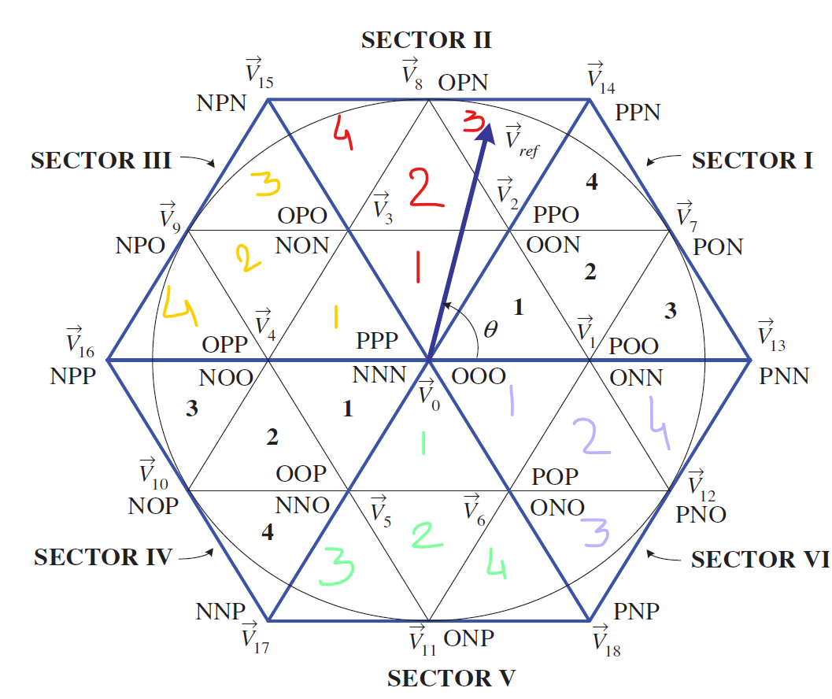
 | Region 2 | S3R2 | OPO | NPO | OPP |  | Region 2 | S3R2 | V3 | V9 | V4 | V9 | NPO
 | Region 3 | S3R3 | OPO | NPO | NPN |  | Region 3 | S3R3 | V3 | V9 | V15 | V10 | NOP
 | Region 4 | S3R4 | NPP | NPO | OPP |  | Region 4 | S3R4 | V16 | V9 | V4 | V11 | ONP
Sector 4 | Region 1 | S4R1 | OPP | PPP | OOP | Sector 4 | Region 1 | S4R1 | V4 | V0 | V5 | V12 | PNO
 | Region 2 | S4R2 | OPP | NOP | OOP |  | Region 2 | S4R2 | V4 | V10 | V5 | V13 | PNN
 | Region 3 | S4R3 | OPP | NOP | NPP |  | Region 3 | S4R3 | V4 | V10 | V16 | V14 | PPN
 | Region 4 | S4R4 | NNP | NOP | OOP |  | Region 4 | S4R4 | V17 | V10 | V5 | V15 | NPN
Sector 5 | Region 1 | S5R1 | OOP | PPP | POP | Sector 5 | Region 1 | S5R1 | V5 | V0 | V6 | V16 | NPP
 | Region 2 | S5R2 | OOP | ONP | POP |  | Region 2 | S5R2 | V5 | V11 | V6 | V17 | NNP
 | Region 3 | S5R3 | OOP | ONP | NNP |  | Region 3 | S5R3 | V5 | V11 | V17 | V18 | PNP
 | Region 4 | S5R4 | PNP | ONP | POP |  | Region 4 | S5R4 | V18 | V11 | V6
Sector 6 | Region 1 | S5R1 | POP | PPP | POO | Sector 6 | Region 1 | S6R1 | V6 | V0 | V1
 | Region 2 | S5R2 | POP | PNO | POO |  | Region 2 | S6R2 | V6 | V12 | V1
 | Region 3 | S5R3 | POP | PNO | PNP |  | Region 3 | S6R3 | V6 | V12 | V18
 | Region 4 | S5R4 | PNN | PNO | POO |  | Region 4 | S6R4 | V13 | V12 | V1

Dwell time calculation
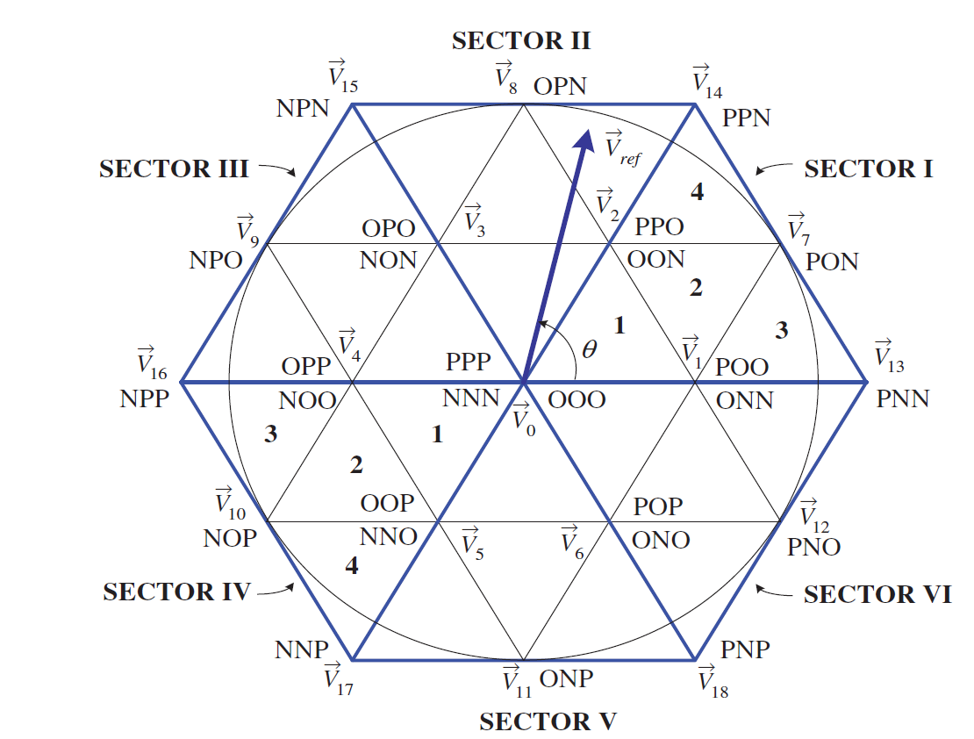
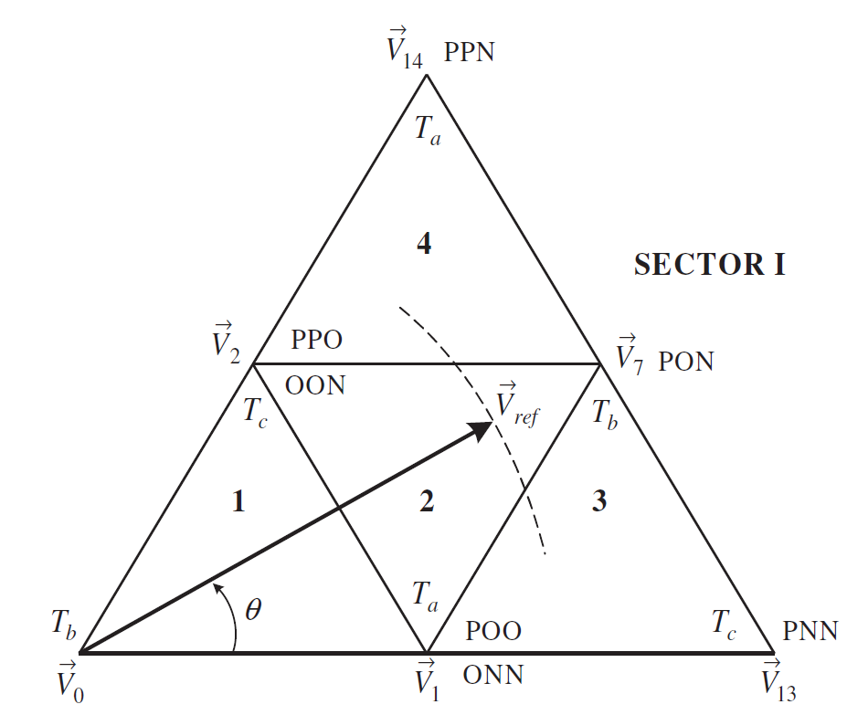

1 | Identify sector of the referrence vector
2 | Identify region of the voltage vector
3 | Select three nearest vectors to the reference voltage vector
4 | Calculate Dwell time from volt sec balancing

Example
 | If reference vector is in sector I and in region 2
 | Select switching vector V1, V2, and V7
 | Vref*Ts = V1*Ta+V7*Tb+V2*Tc
 | Ts = Ta+Tb+Tc
$$\vec{V_{ref}}= V_{ref }e^{jθ}$$

$$\vec{V_{1}}= \frac{V_{d}}{3}e^{j0}$$
$$\vec{V_{7}}= \frac{V_{d}}{√3}e^{j\frac{π}{6}}$$
$$\vec{V_{2}}= \frac{V_{d}}{3}e^{j\frac{π}{3}}$$

$V_{ref }e^{jθ}= \frac{V_{d}}{3} T_{a}+\frac{V_{d}}{√3}e^{j\frac{π}{6}}T_{b}+\frac{V_{d}}{3}e^{j\frac{π}{3}}T_{c}$

$V_{ref }(\cos{θ+jsinθ)}= \frac{V_{d}}{3} T_{a}+\frac{V_{d}}{\sqrt{3}}(\cos{\frac{π}{6}+j\sin{\frac{π}{6})}}T_{b}+\frac{V_{d}}{3}(\cos{\frac{π}{3}+j\sin{\frac{π}{3})}}T_{c}$

$V_{ref }(\cos{θ)}= \frac{V_{d}}{3} T_{a}+\frac{V_{d}}{\sqrt{3}}(\cos{\frac{π}{6})}T_{b}+\frac{V_{d}}{3}(\cos{\frac{π}{3})}T_{c}$
1000
0.001
$V_{ref }(\sin{θ)}= \frac{V_{d}}{\sqrt{3}}(\sin{\frac{π}{6})}T_{b}+\frac{V_{d}}{3}(\sin{\frac{π}{6}})T_{c}$
$V_{ref }(\cos{θ)Ts}= \frac{V_{d}}{3} T_{a}+\frac{V_{d}}{\sqrt{3}}(\frac{\sqrt{3}}{2})T_{b}+\frac{V_{d}}{3}(\frac{1}{2})T_{c}$

$V_{ref }(\sin{θ)}= \frac{V_{d}}{\sqrt{3}}(\sin{\frac{π}{6})}T_{b}+\frac{V_{d}}{3}(\sin{\frac{π}{3}})T_{c}$
$V_{ref }(\sin{θ)Ts}= \frac{V_{d}}{\sqrt{3}}(\frac{1}{2})T_{b}+\frac{V_{d}}{3}(\frac{√3}{2})T_{c}$
2000
0.0005

$Ta+Tb+Tc=Ts$

V1
V0
$T_{a}=T_{s}[2 m_{a}\sin{(\frac{π}{3}−θ)}]$
$T_{b}=T_{s}[1−2 m_{a}\sin\left(\frac{π}{3}+θ\right)]$
V2
$T_{c}=T_{s}[2 m_{a}\sin\left(θ\right)]$
 |  |  | Sector 1 | Region 1 | 0.66666666667 | 0.33333333333
 |  |  |  |  | Max Vref | 0.57735026919
V1
V7
V2
$m_{a}=√3\frac{V_{ref}}{V_{d}}$
$T_{a}=T_{s}[1−2 m_{a}\sin{θ}]$
$T_{b}=T_{s}[2 m_{a}\sin\left(\frac{π}{3}+θ\right)−1]$
$T_{c}=T_{s}[1−2 m_{a}\sin\left(\frac{π}{3}−θ\right)]$
 |  |  | Sector 1 | Region 2
$$m_{a,max}= \frac{√3}{√3}\frac{V_{d}}{V_{d}}=1$$
V1
V7
V13

$T_{a}=T_{s}[2−2 m_{a}\sin{(\frac{π}{3}+θ)}]$
$T_{b}=T_{s}[2 m_{a}\sin\left(θ\right)]$
$T_{c}=T_{s}[2 m_{a}\sin\left(\frac{π}{3}−θ\right)−1]$
 |  |  | Sector 1 | Region 3

V14
V2
V7
$T_{b}=T_{s}[2 m_{a}\sin\left(\frac{π}{3}−θ\right)]$
$T_{a}=T_{s}[2 m_{a}\sin\left(θ\right)−1]$
$T_{c}=T_{s}[2−2 m_{a}\sin{(\frac{π}{3}+θ)}]$
 |  |  | Sector 1 | Region 4

 | multiple of π/3 to be subtracted from actual θ | Calculating Dwell times for different sectors
 | such that modified angle falls inrange b/w 0 and π/3
V1
V0
V2
$T_{a}=T_{s}[2 m_{a}\sin{(\frac{2π}{3}−θ)}]$
$T_{b}=T_{s}[1−2 m_{a}\sin\left(θ\right)]$
$T_{c}=T_{s}[2 m_{a}\sin\left(θ−\frac{π}{3}\right)]$
 | Sector II - π/3 to 2π/3 |  | Sector 2 | Region 1
 | Subtract π/3 from theta
V1
V7
V2
$T_{a}=T_{s}[1−2 m_{a}\sin{(θ−\frac{π}{3})}]$
$T_{b}=T_{s}[2 m_{a}\sin\left(θ\right)−1]$
$T_{c}=T_{s}[1−2 m_{a}\sin\left(\frac{2π}{3}−θ\right)]$
 |  |  | Sector 2 | Region 2

V1
V7
V13

$T_{a}=T_{s}[2−2 m_{a}\sin{(θ)}]$
$T_{b}=T_{s}[2 m_{a}\sin\left(θ−\frac{π}{3}\right)]$
$T_{c}=T_{s}[2 m_{a}\sin\left(\frac{2π}{3}−θ\right)−1]$
 |  |  | Sector 2 | Region 3

V7
V2
V14
$T_{b}=T_{s}[2 m_{a}\sin\left(\frac{2π}{3}−θ\right)]$
$T_{a}=T_{s}[2 m_{a}\sin\left(θ−\frac{π}{3}\right)−1]$
$T_{c}=T_{s}[2−2 m_{a}\sin{(θ)}]$
 |  |  | Sector 2 | Region 4

V1
V0
V2
$T_{a}=T_{s}[2 m_{a}\sin{(π−θ)}]$
$T_{b}=T_{s}[1−2 m_{a}\sin\left(θ−\frac{π}{3}\right)]$
$T_{c}=T_{s}[2 m_{a}\sin\left(θ−\frac{2π}{3}\right)]$
 | Sector III - 2π/3 to π |  | Sector 3 | Region 1
 | Subtract 2π/3 from theta
V1
V7
$T_{a}=T_{s}[1−2 m_{a}\sin{(θ−\frac{2π}{3})}]$
$T_{b}=T_{s}[2 m_{a}\sin\left(θ−\frac{π}{3}\right)−1]$
V2
$T_{c}=T_{s}[1−2 m_{a}\sin\left(π−θ\right)]$
 |  |  | Sector 3 | Region 2

V1
V7
V13

$T_{a}=T_{s}[2−2 m_{a}\sin{(θ−\frac{π}{3})}]$
$T_{b}=T_{s}[2 m_{a}\sin\left(θ−\frac{2π}{3}\right)]$
$T_{c}=T_{s}[2 m_{a}\sin\left(π−θ\right)−1]$
 |  |  | Sector 3 | Region 3

V14
V2
V7
$T_{b}=T_{s}[2 m_{a}\sin\left(π−θ\right)]$
$T_{a}=T_{s}[2 m_{a}\sin\left(θ−\frac{2π}{3}\right)−1]$
$T_{c}=T_{s}[2−2 m_{a}\sin{(θ−\frac{π}{3})}]$
 |  |  | Sector 3 | Region 4

V1
V0
V2
$T_{a}=T_{s}[2 m_{a}\sin{(\frac{4π}{3}−θ)}]$
$T_{b}=T_{s}[1−2 m_{a}\sin\left(θ−\frac{2π}{3}\right)]$
$T_{c}=T_{s}[2 m_{a}\sin\left(θ−π\right)]$
 |  |  | Sector 4 | Region 1

V1
V7
V2
$T_{a}=T_{s}[1−2 m_{a}\sin{(θ−π)}]$
$T_{b}=T_{s}[2 m_{a}\sin\left(θ−\frac{2π}{3}\right)−1]$
$T_{c}=T_{s}[1−2 m_{a}\sin\left(\frac{4π}{3}−θ\right)]$
 |  |  | Sector 4 | Region 2

V1
V7
V13
$T_{a}=T_{s}[2−2 m_{a}\sin{(θ−\frac{2π}{3})}]$
$T_{b}=T_{s}[2 m_{a}\sin\left(θ−π\right)]$
$T_{c}=T_{s}[2 m_{a}\sin\left(\frac{4π}{3}−θ\right)−1]$
 |  |  | Sector 4 | Region 3

V14
V2
V7
$T_{b}=T_{s}[2 m_{a}\sin\left(\frac{4π}{3}−θ\right)]$
$T_{c}=T_{s}[2−2 m_{a}\sin{(θ−\frac{2π}{3})}]$
$T_{a}=T_{s}[2 m_{a}\sin\left(θ−π\right)−1]$
 |  |  | Sector 4 | Region 4

V1
V0
V2
$T_{a}=T_{s}[2 m_{a}\sin{(\frac{5π}{3}−θ)}]$
$T_{b}=T_{s}[1−2 m_{a}\sin\left(θ−π\right)]$
$T_{c}=T_{s}[2 m_{a}\sin\left(θ−\frac{4π}{3}\right)]$
 |  |  | Sector 5 | Region 1

V1
V7
V2
$T_{a}=T_{s}[1−2 m_{a}\sin{(θ−\frac{4π}{3})}]$
$T_{b}=T_{s}[2 m_{a}\sin\left(θ−π\right)−1]$
$T_{c}=T_{s}[1−2 m_{a}\sin\left(\frac{5π}{3}−θ\right)]$
 |  |  | Sector 5 | Region 2

V1
V7
V13
$T_{a}=T_{s}[2−2 m_{a}\sin{(θ−π)}]$
$T_{b}=T_{s}[2 m_{a}\sin\left(θ−\frac{4π}{3}\right)]$
$T_{c}=T_{s}[2 m_{a}\sin\left(\frac{5π}{3}−θ\right)−1]$
 |  |  | Sector 5 | Region 3

V14
V2
V7
$T_{c}=T_{s}[2−2 m_{a}\sin{(θ−π)}]$
$T_{a}=T_{s}[2 m_{a}\sin\left(θ−\frac{4π}{3}\right)−1]$
$T_{b}=T_{s}[2 m_{a}\sin\left(\frac{5π}{3}−θ\right)]$
 |  |  | Sector 5 | Region 4

V1
V0
V2
$T_{a}=T_{s}[2 m_{a}\sin{(2π−θ)}]$
$T_{b}=T_{s}[1−2 m_{a}\sin\left(θ−\frac{4π}{3}\right)]$
$T_{c}=T_{s}[2 m_{a}\sin\left(θ−\frac{5π}{3}\right)]$
 |  |  | Sector 6 | Region 1

V1
V7
V2
$T_{a}=T_{s}[1−2 m_{a}\sin{(θ−\frac{5π}{3})}]$
$T_{b}=T_{s}[2 m_{a}\sin\left(θ−\frac{4π}{3}\right)−1]$
$T_{c}=T_{s}[1−2 m_{a}\sin\left(2π−θ\right)]$
 |  |  | Sector 6 | Region 2

V1
V7
V13
$T_{a}=T_{s}[2−2 m_{a}\sin{(θ−\frac{4π}{3})}]$
$T_{b}=T_{s}[2 m_{a}\sin\left(θ−\frac{5π}{3}\right)]$
$T_{c}=T_{s}[2 m_{a}\sin\left(2π−θ\right)−1]$
 |  |  | Sector 6 | Region 3

V2
V14
V7
$T_{c}=T_{s}[2−2 m_{a}\sin{(θ−\frac{4π}{3})}]$
$T_{a}=T_{s}[2 m_{a}\sin\left(θ−\frac{5π}{3}\right)−1]$
$T_{b}=T_{s}[2 m_{a}\sin\left(2π−θ\right)]$
 |  |  | Sector 6 | Region 4

Symmetry Switch all region
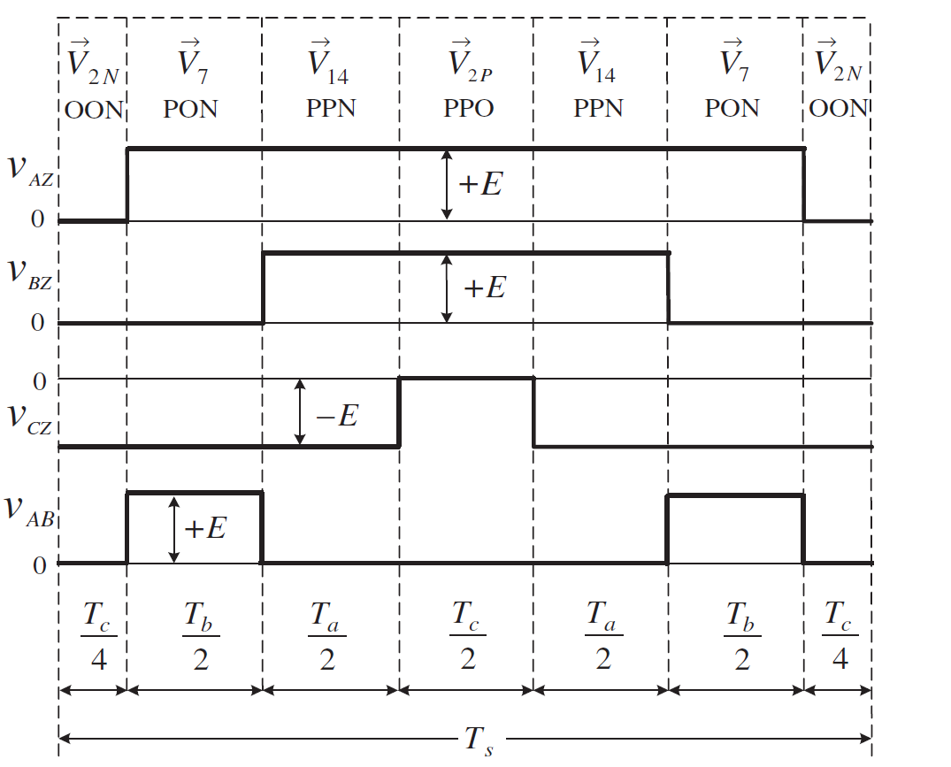
1A
1B
 | Leg |  |  |  |  |  |  |  |  | Case 1 | One small vector among three selected vector in triangle region
P | 1100 | V0 | PPP | 110011001100 | NNN | 001100110011 | OOO | 011001100110 |  |  |  |  | Va | Vb | Vc
O | 0110 | V1 | POO | 110001100110 | ONN | 011000110011 |  |  |  | Sector 1 | Region 3 | S1R3 | V1 | V7 | V13
N | 0011 | V2 | PPO | 110011000110 | OON | 011001100011 |  |  |  |  | Region 4 | S1R4 | V14 | V7 | V2
 |  | V3 | OPO | 011011000110 | NON | 001101100011 |  |  |  | Sector 2 | Region 3 | S2R3 | V2 | V8 | V14
 |  | V4 | OPP | 011011001100 | NOO | 001101100110 |  |  |  |  | Region 4 | S2R4 | V15 | V8 | V3
 |  | V5 | OOP | 011001101100 | NNO | 001100110110 |  |  |  | Sector 3 | Region 3 | S3R3 | V3 | V9 | V15
 |  | V6 | POP | 110001101100 | ONO | 011000110110 |  |  |  |  | Region 4 | S3R4 | V16 | V9 | V4
 |  | V7 | PON | 110001100011 |  |  |  |  |  | Sector 4 | Region 3 | S4R3 | V4 | V10 | V16
 |  | V8 | OPN | 011011000011 |  |  |  |  |  |  | Region 4 | S4R4 | V17 | V10 | V5
 |  | V9 | NPO | 001111000110 |  |  |  |  |  | Sector 5 | Region 3 | S5R3 | V5 | V11 | V17
 |  | V10 | NOP | 001101101100 |  |  |  |  |  |  | Region 4 | S5R4 | V18 | V11 | V6
 |  | V11 | ONP | 011000111100 |  |  |  |  |  | Sector 6 | Region 3 | S6R3 | V6 | V12 | V18
 |  | V12 | PNO | 110000110110 |  |  |  |  |  |  | Region 4 | S6R4 | V13 | V12 | V1
 |  | V13 | PNN | 110000110011
 |  | V14 | PPN | 110011000011 |  |  |  |  |  |  |  |  |  |  | Switching Sequence Case 1
 |  | V15 | NPN | 001111000011 |  |  |  |  |  |  |  | Ta/4 | Tb/2 | Tc/2 | Ta/2 | Tc/2 | Tb/2 | Ta/4
 |  | V16 | NPP | 001111001100 |  |  |  |  |  |  | S1R3 | V1P(POO) | V7(PON) | V13(PNN) | V1N(ONN) | V13(PNN) | V7(PON) | V1P(POO)
 |  | V17 | NNP | 001100111100 |  |  |  |  |  |  |  | Tc/4 | Tb/2 | Ta/2 | Tc/2 | Ta/2 | Tb/2 | Tc/4
 |  | V18 | PNP | 110000111100 |  |  |  |  |  |  | S1R4 | V2N(OON) | V7(PON) | V14(PPN) | V2P(PPO) | V14(PPN) | V7(PON) | V2N(OON)
 |  |  |  |  |  |  |  |  |  |  |  | Ta/4 | Tb/2 | Tc/2 | Ta/2 | Tc/2 | Tb/2 | Ta/4
 |  |  |  |  |  |  |  |  |  |  | S2R3 | V2N(OON) | V8(OPN) | V14(PPN) | V2P(PPO) | V14(PPN) | V8(OPN) | V2N(OON)
 |  |  |  |  |  |  |  |  |  |  |  | Tc/4 | Tb/2 | Ta/2 | Tc/2 | Ta/2 | Tb/2 | Tc/4
 |  |  |  |  |  |  |  |  |  |  | S2R4 | V3P(OPO) | V8(OPN) | V15(NPN) | V3N(NON) | V15(NPN) | V8(OPN) | V3P(OPO)
 |  |  |  |  |  |  |  |  |  |  |  | Ta/4 | Tb/2 | Tc/2 | Ta/2 | Tc/2 | Tb/2 | Ta/4
 |  |  |  |  |  |  |  |  |  |  | S3R3 | V3P(OPO) | V9(NPO) | V15(NPN) | V3N(NON) | V15(NPN) | V9(NPO) | V3P(OPO)
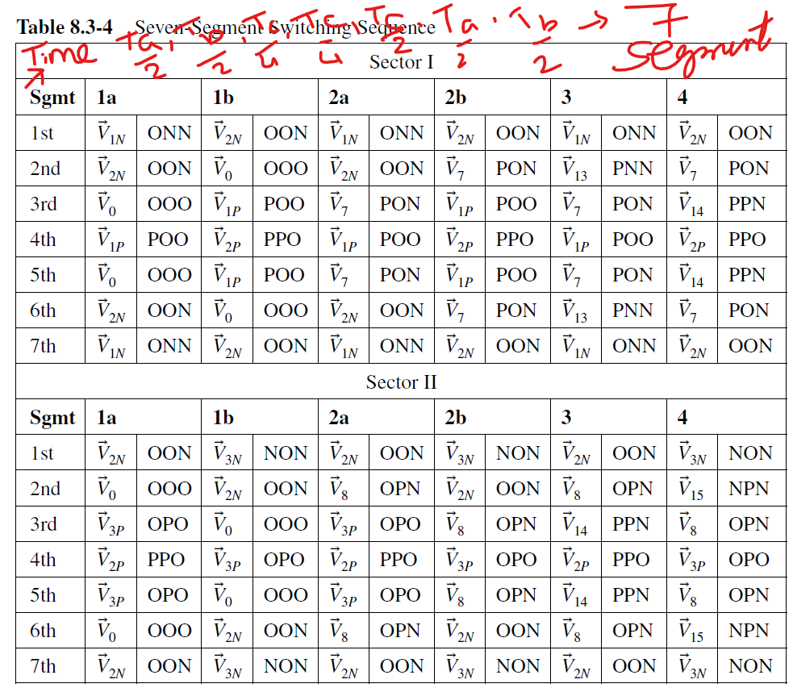
 |  |  |  |  |  |  |  |  |  |  |  | Tc/4 | Tb/2 | Ta/2 | Tc/2 | Ta/2 | Tb/2 | Tc/4
 |  |  |  |  |  |  |  |  |  |  | S3R4 | V4N(NOO) | V9(NPO) | V16(NPP) | V4P(OPP) | V16(NPP) | V9(NPO) | V4N(NOO)
 |  |  |  |  |  |  |  |  |  |  |  | Ta/4 | Tb/2 | Tc/2 | Ta/2 | Tc/2 | Tb/2 | Ta/4
 |  |  |  |  |  |  |  |  |  |  | S4R3 | V4N(NOO) | V10(NOP) | V16(NPP) | V4P(OPP) | V16(NPP) | V10(NOP) | V4N(NOO)
 |  |  |  |  |  |  |  |  |  |  |  | Tc/4 | Tb/2 | Ta/2 | Tc/4 | Ta/2 | Tb/2 | Tc/4
 |  |  |  |  |  |  |  |  |  |  | S4R4 | V5P(OOP) | V10(NOP) | V17(NNP) | V5N(NNO) | V17(NNP) | V10(NOP) | V5P(OOP)
 |  |  |  |  |  |  |  |  |  |  |  | Ta/4 | Tb/2 | Tc/2 | Ta/2 | Tc/2 | Tb/2 | Ta/4
 |  |  |  |  |  |  |  |  |  |  | S5R3 | V5P(OOP) | V11(ONP) | V17(NNP) | V5N(NNO) | V17(NNP) | V11(ONP) | V5P(OOP)
 |  |  |  |  |  |  |  |  |  |  |  | Tc/4 | Tb/2 | Ta/2 | Tc/2 | Ta/2 | Tb/2 | Tc/4
 |  |  |  |  |  |  |  |  |  |  | S5R4 | V6N(ONO) | V11(ONP) | V18(PNP) | V6P(POP) | V18(PNP) | V11(ONP) | V6N(ONO)
 |  |  |  |  |  |  |  |  |  |  |  | Ta/4 | Tb/2 | Tc/2 | Ta/2 | Tc/2 | Tb/2 | Ta/4
 |  |  |  |  |  |  |  |  |  |  | S6R3 | V6N(ONO) | V12(PNO) | V18(PNP) | V6P(POP) | V18(PNP) | V12(PNO) | V6N(ONO)
 |  |  |  |  |  |  |  |  |  |  |  | Tc/4 | Tb/2 | Ta/2 | Tc/2 | Ta/2 | Tb/2 | Tc/4
 |  |  |  |  |  |  |  |  |  |  | S6R4 | V1P(POO) | V12(PNO) | V13(PNN) | V1N(ONN) | V13(PNN) | V12(PNO) | V1P(POO)

 |  |  |  |  |  |  |  | For sector 1
 |  |  |  |  |  |  |  | if Vref lies in 1A or 2A it is closer to V1 so V1 time will split
 |  |  |  |  |  |  |  | if Vref lies in 1B or 2B it is closer to V2 so V2 time will split

 |  |  |  |  |  |  |  | Sub region Selection
 |  |  |  |  |  |  |  | if sector =1 and region =1 and angle <30
 |  |  |  |  |  |  |  | sub region 1A

 |  |  |  |  |  |  |  |  | Ta | Tb | Tc |  | Ta/4 | Tc/2 | Tb/2 | Ta/2 | Tb/2 | Tc/2 | Ta/4
 |  |  |  |  |  |  |  | S1R1 | V1 | V0 | V2 | S1R1a | V1N(ONN) | V2N(OON) | V0(OOO) | V1P(POO) | V0(OOO) | V2N(OON) | V1N(ONN)
 |  |  |  |  |  |  |  |  |  |  |  |  | Tc/4 | Tb/2 | Ta/2 | Tc/2 | Ta/2 | Tb/2 | Tc/4
 |  |  |  |  |  |  |  |  |  |  |  | S1R1b | V2N(OON) | V0(OOO) | V1P(POO) | V2P(PPO) | V1P(POO) | V0(OOO) | V2N(OON)
 |  |  |  |  |  |  |  |  |  |  |  |  | Ta/4 | Tc/2 | Tb/2 | Ta/2 | Tb/2 | Tc/2 | Ta/4
 |  |  |  |  |  |  |  | S1R2 | V1 | V7 | V2 | S1R2a | V1N(ONN) | V2N(OON) | V7(PON) | V1P(POO) | V7(PON) | V2N(OON) | V1N(ONN)
 |  |  |  |  |  |  |  |  |  |  |  |  | Tc/4 | Tb/2 | Ta/2 | Ta/2 | Ta/2 | Tb/2 | Tc/4
 |  |  |  |  |  |  |  |  |  |  |  | S1R2b | V2N(OON) | V7(PON) | V1P(POO) | V2P(PPO) | V1P(POO) | V7(PON) | V2N(OON)
 |  |  |  |  |  |  |  |  |  |  |  |  | Ta/4 | Tb/2 | Tc/2 | Ta/2 | Tc/2 | Tb/2 | Ta/4
 |  |  |  |  |  |  |  | S2R1 | V2 | V0 | V3 | S2R1a | V2N(OON) | V0(OOO) | V3P(OPO) | V2P(PPO) | V3P(OPO) | V0(OOO) | V2N(OON)
 |  |  |  |  |  |  |  |  |  |  |  |  | Tc/4 | Tb/2 | Ta/2 | Tc/2 | Ta/2 | Tb/2 | Tc/4
 |  |  |  |  |  |  |  |  |  |  |  | S2R1b | V3N(NON) | V2N(OON) | V0(OOO) | V3N(NON) | V0(OOO) | V2N(OON) | V3N(NON)
 |  |  |  |  |  |  |  |  |  |  |  |  | Ta/4 | Tc/2 | Tb/2 | Ta/2 | Tb/2 | Tc/2 | Ta/4
 |  |  |  |  |  |  |  | S2R2 | V2 | V8 | V3 | S2R2a | V2P(PPO) | V3P(OPO) | V8(OPN) | V2N(OON) | V8(OPN) | V3P(OPO) | V2P(PPO)
 |  |  |  |  |  |  |  |  |  |  |  |  | Tc/6 | Tb/4 | Ta/4 | Tc/4 | Ta/4 | Tb/4 | Tc/6
 |  |  |  |  |  |  |  |  |  |  |  | S2R2b | V3P(OPO) | V0(OOO) | V2N(OON) | V3N(NON) | V2N(OON) | V0(OOO) | V3P(OPO)

 |  |  |  |  |  |  |  | S3R1 | V3 | V0 | V4
 |  |  |  |  |  |  |  | S3R2 | V3 | V9 | V4
 |  |  |  |  |  |  |  | S4R1 | V4 | V0 | V5
 |  |  |  |  |  |  |  | S4R2 | V4 | V10 | V5
 |  |  |  |  |  |  |  | S5R1 | V5 | V0 | V6
 |  |  |  |  |  |  |  | S5R2 | V5 | V11 | V6
 |  |  |  |  |  |  |  | S6R1 | V6 | V0 | V1
 |  |  |  |  |  |  |  | S6R2 | V6 | V12 | V1

Switching Seq design
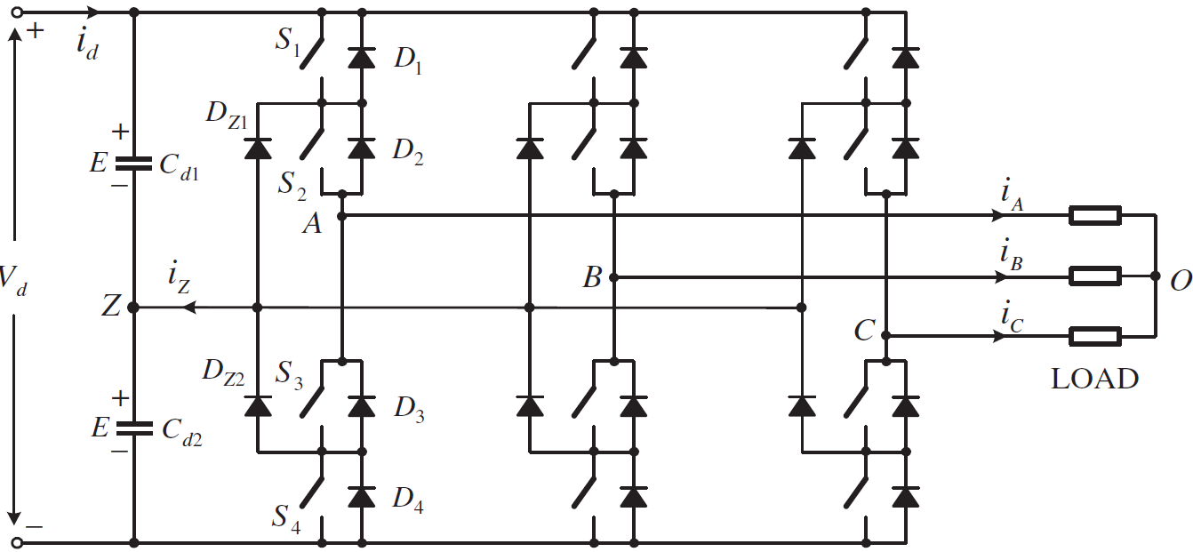
 | Voltage Vz (wrt to -dc link )
 | Varies with switching state of NPC converter
 | Switching Sequence is designed to minimize Vz voltage deviaiton

 | Requirement of switching sequence design
1 | Transition from one switching state to another switching state requires operation of two switches within same leg
 | One switch turns On, another Turns Off | eg | 100 | 101
2 | Transition of Vref from one region or serctor to another must take minimum switching
3 | Effect of switching state on voltage deviation must be minimum

 | Effect of Switching states on Vz Voltage deviaiton
1 | O states [PPP,OOO,NNN] | Z is disconnected no change
2 | POO | iz current flows into Z point, voltge increases
3 | ONN | iz current flows out of Z point, voltge decreases
4 | PON | A phsae +ve, B phase 0 volt, C phase - ve | the current to Z point depends on the inverter - network condition
5 | PNN | Phases are connected between +ve and -ve and Z point is diconnected so no impact on neutral volt
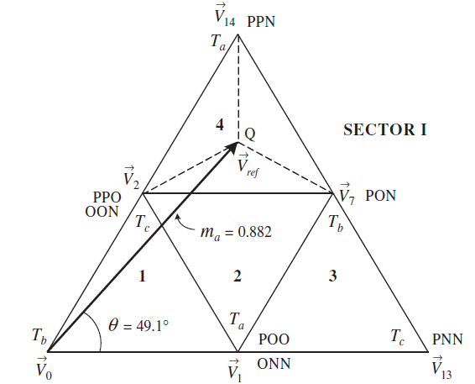
 | Summary | Vz
 | Large Vectors, 0 vectors | No impact
 | Medium vectors | Impact but undefined
 | Small vectors Load connected to +ve | Vz increases
 | Small vectors Load connected to -ve | Vz decrease

 | Switching Sequence with Minium Vz deviaiton

 | P-type small vector increases Vz
 | N-type small vector decreases Vz

 | Dividing Dwell time of small vector b/w N-type and P-type minimize the Vz voltage deviaiton

Case 1 | One small vector among three selected vector in triangle region
 | Sector I, Region 3 or Region 4, only one small vector is selected |  |  | V2 | V1

 | Sector I, Region 4, Vectors - V2, V7, V14 | PPO,OON | PON | PPN
 | V2 has two states - PPO, OON
 | Dwell time between PPO, OON is equally divided
 |  |  |  |  |  | Seq
 | V2 | PPO |  | PPO | 1 Switch Change | V2 | Ta/2
 | V7 | PON | 1 Switch change |  |  | V14 | Tb/2
 | V14 | PPN |  | PPN |  | V7 | Tc/2
 |  |  |  |  |  | Seq
 | V2 | OON |  |  |  | V2 | Ta/2
 | V7 | PON |  |  |  | V7 | Tc/2
 | V14 | PPN |  |  |  | V14 | Tb/2

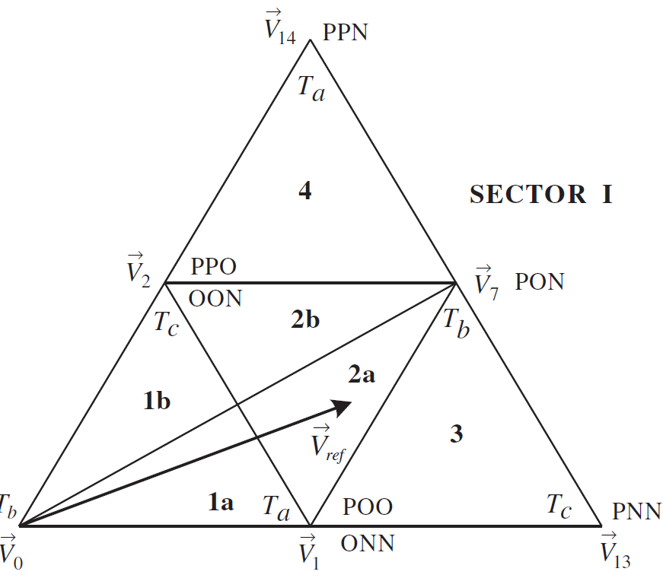
Case 2 | Two small vectors among three selected vector in triangle region
 | Vref in Region 1 or Region 2
 | Out of three vectors 2 are small vectors
 | Region 1 and Region 2 are further divided in two sub-regions

 | Assume Vref lies in 2a
 | V1, V7, or V2 | Vref closer to V1 |  | V1 dominating small vector
 |  | Dwell time of V1, is made to half

